Beads
Straight Line Sports
LURE AND SPINNER MAKING COMPONENTS
BEADS
CHECK THE PRODUCT SHEET LINK FOR LIST OF SIZES AND COLORS
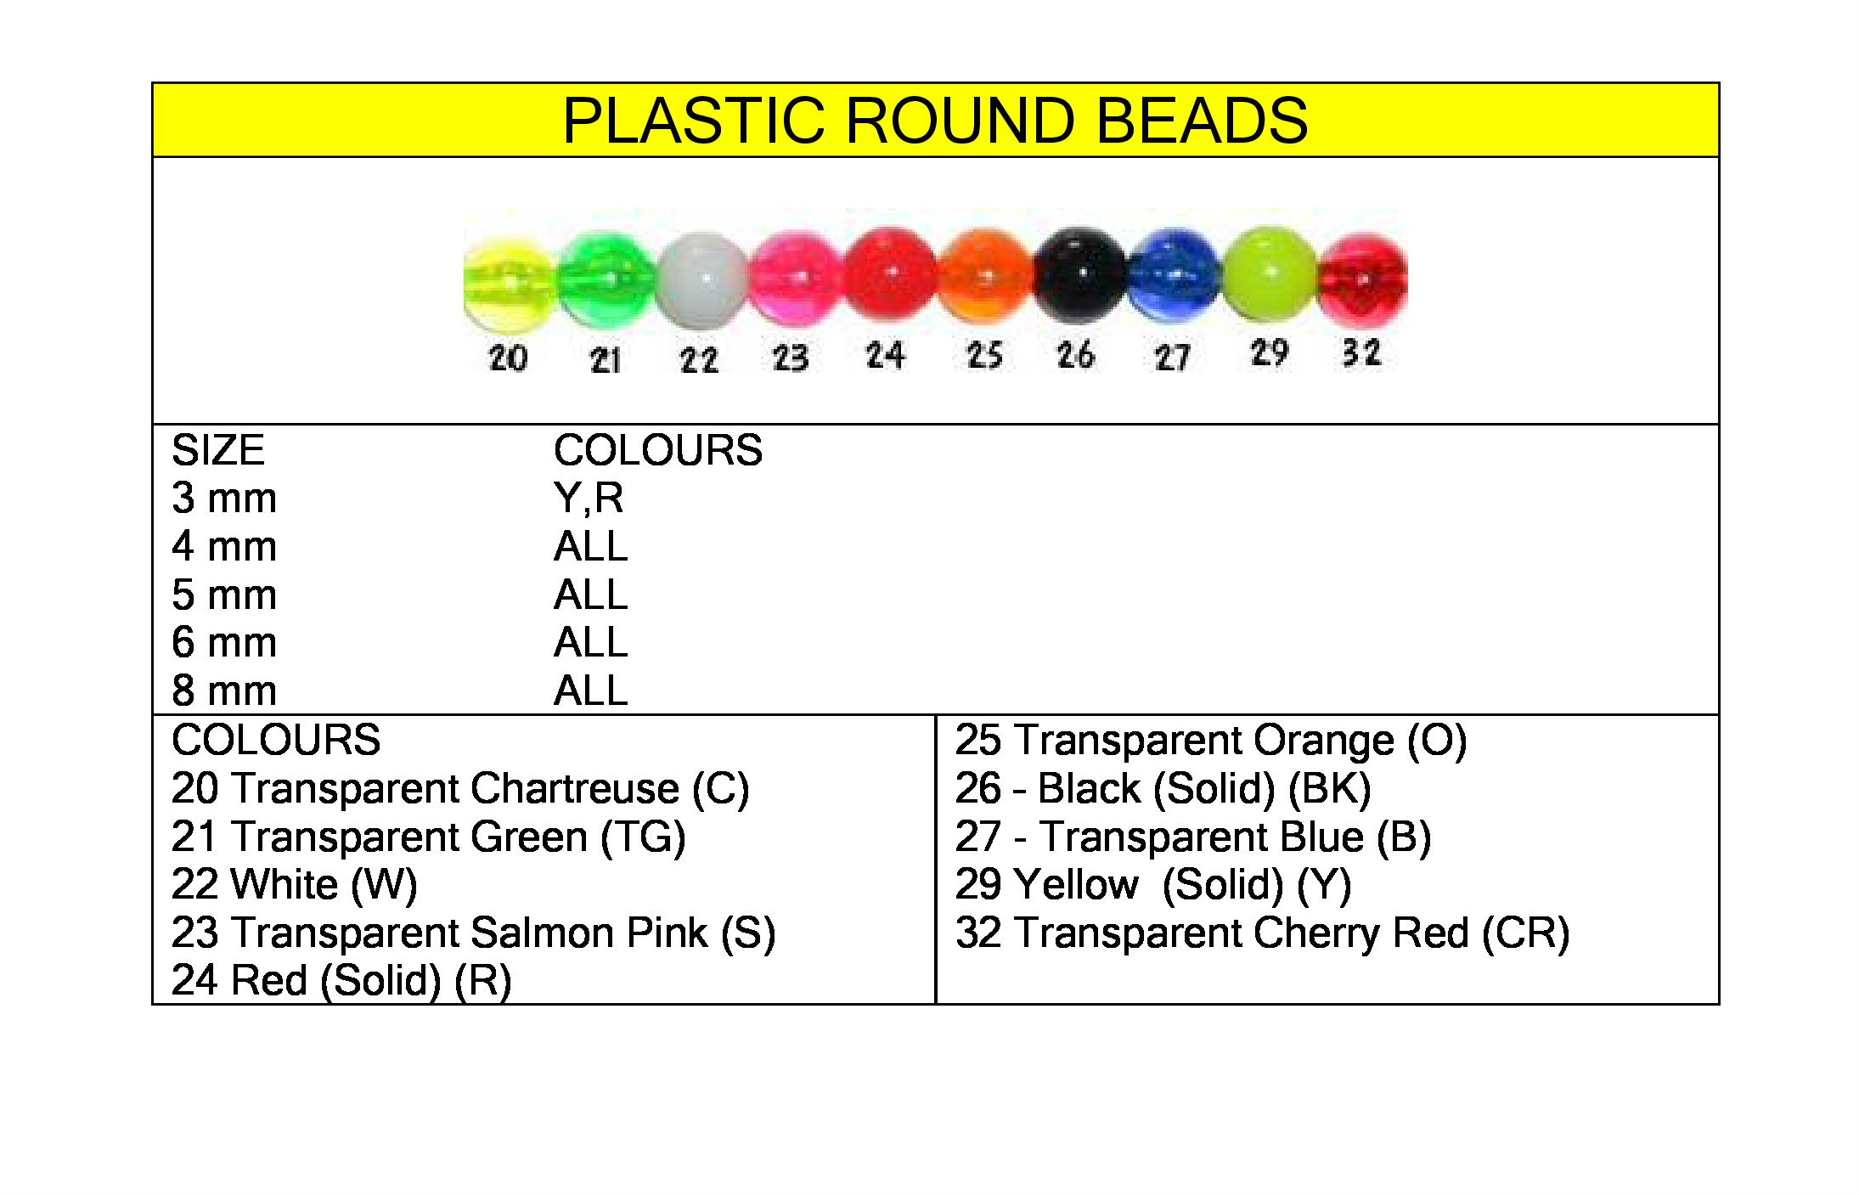
Summary
Table of Contents |  | Add Items |  | BEADS | Category | Unit Price | Net
Qty | Available | Size | Color | Solid Brass Beads Available in PB-Polished Brass or N-Nickel Plated Brass
Qty | Available | Size | Color | Solid Metal Beads | Summary | Unit Price | Net
0 | 0 | 0 (3/32") | PB - Polished Brass | Solid Brass Metal Beads - (100) |  | $0.00 | $0.00
0 |  | 1 (1/8") | PB - Polished Brass | Solid Brass Metal Beads - (100) |  | $0.00 | $0.00
0 | 0 | 2 (5/32") | PB - Polished Brass | Solid Brass Metal Beads - (100) |  | $0.00 | $0.00
0 |  | 3 (3/16") | PB - Polished Brass | Solid Brass Metal Beads - (100) |  | $0.00 | $0.00
0 |  | 4 (7/32") | PB - Polished Brass | Solid Brass Metal Beads - (100) |  | $0.00 | $0.00
0 |  | 5 (1/4") | PB - Polished Brass | Solid Brass Metal Beads - (100) |  | $0.00 | $0.00
0 |  | 6 (9/32") | PB - Polished Brass | Solid Brass Metal Beads - (100) |  | $0.00 | $0.00
0 |  | 7 (5/16") | PB - Polished Brass | Solid Brass Metal Beads - (100) |  | $0.00 | $0.00
0 |  | 8 (3/8") | PB - Polished Brass | Solid Brass Metal Beads - (100) |  | $0.00 | $0.00
 |  |  |  | Also available in smaller & larger quantities
Qty | Available | Size | Color | Solid Metal Beads | Summary | Unit Price | 0
0 |  | 0 (3/32") | N - Nickel Platted Brass | Solid Brass Metal Beads - (100) |  | $0.00 | $0.00
 |  | 1 (1/8") | N - Nickel Platted Brass | Solid Brass Metal Beads - (100) |  | $0.00 | $0.00
 |  | 2 (5/32") | N - Nickel Platted Brass | Solid Brass Metal Beads - (100) |  | $0.00 | $0.00
 |  | 3 (3/16") | N - Nickel Platted Brass | Solid Brass Metal Beads - (100) |  | $0.00 | $0.00
 |  | 4 (7/32") | N - Nickel Platted Brass | Solid Brass Metal Beads - (100) |  | $0.00 | $0.00
 |  | 5 (1/4") | N - Nickel Platted Brass | Solid Brass Metal Beads - (100) |  | $0.00 | $0.00
 |  | 6 (9/32") | N - Nickel Platted Brass | Solid Brass Metal Beads - (100) |  | $0.00 | $0.00
 |  | 7 (5/16") | N - Nickel Platted Brass | Solid Brass Metal Beads - (100) |  | $0.00 | $0.00
 |  | 8 (3/8") | N - Nickel Platted Brass | Solid Brass Metal Beads - (100) |  | $0.00 | $0.00
 |  |  |  | Also available in smaller & larger quantities |  | $0.00 | $0.00
Qty | Available | SIZE | Color | Hollow Metal Beads | Summary | Unit Price | $0.00
0 |  | 0 (3/32") | G - Gold | Hollow Metal Beads (100) |  | $0.00 | $0.00
0 |  | 1 (1/8") | G - Gold | Hollow Metal Beads (100) |  | $0.00 | $0.00
0 |  | 2 (5/32") | G - Gold | Hollow Metal Beads (100) |  | $0.00 | $0.00
0 |  | 3 (3/16") | G - Gold | Hollow Metal Beads (100) |  | $0.00 | $0.00
0 |  | 4 (7/32") | G - Gold | Hollow Metal Beads (100) |  | $0.00 | $0.00
0 |  | 5 (1/4") | G - Gold | Hollow Metal Beads (100) |  | $0.00 | $0.00
0 |  | 6 (9/32") | G - Gold | Hollow Metal Beads (100) |  | $0.00 | $0.00
 |  |  |  | Also available in smaller & larger quantities |  |  | $0.00
Qty | Available | SIZE | Color | Hollow Metal Beads Available in G-Gold and N-Nickel | Summary | Unit Price | $0.00
 |  | 0 (3/32") | N - Nickel | Hollow Metal Beads (100) |  | $0.00 | $0.00
 |  | 1 (1/8") | N - Nickel | Hollow Metal Beads (100) |  | $0.00 | $0.00
 |  | 2 (5/32") | N - Nickel | Hollow Metal Beads (100) |  | $0.00 | $0.00
 |  | 3 (3/16") | N - Nickel | Hollow Metal Beads (100) |  | $0.00 | $0.00
 |  | 4 (7/32") | N - Nickel | Hollow Metal Beads (100) |  | $0.00 | $0.00
 |  | 5 (1/4") | N - Nickel | Hollow Metal Beads (100) |  | $0.00 | $0.00
 |  | 6 (9/32") | N - Nickel | Hollow Metal Beads (100) |  | $0.00 | $0.00
 |  |  |  | Also available in smaller & larger quantities |  | $0.00 | $0.00
Qty | Available | SIZE | Color | Hollow Metal Beads Available in G-Gold and N-Nickel | Summary | Unit Price | $0.00
 |  | 0 (3/32") | N - Nickel | Hollow Metal Beads (1000) |  | $0.00 | $0.00
 |  | 1 (1/8") | N - Nickel | Hollow Metal Beads (1000) |  | $0.00 | $0.00
0 |  | 2 (5/32") | N - Nickel | Hollow Metal Beads (1000) |  | $0.00 | $0.00
 |  | 3 (3/16") | N - Nickel | Hollow Metal Beads (1000) |  | $0.00 | $0.00
 |  | 4 (7/32") | N - Nickel | Hollow Metal Beads (1000) |  | $0.00 | $0.00
 |  | 5 (1/4") | N - Nickel | Hollow Metal Beads (1000) |  | $0.00 | $0.00
 |  | 6 (9/32") | N - Nickel | Hollow Metal Beads (1000) |  | $0.00 | $0.00
 |  |  |  | Also available in smaller & larger quantities
Qty | Available | SIZE | Color | Round Plastic Beads | Summary | Unit Price | $0.00
0 |  | 4 mm | Transparent Chartreuse | Plastic Beads Size 4 (1000) |  | $0.00 | $0.00
 |  | 4 mm | Transparent Green | Plastic Beads Size 4 (1000) |  | $0.00 | $0.00
 |  | 4 mm | White | Plastic Beads Size 4 (1000) |  | $0.00 | $0.00
 |  | 4 mm | Transparent Salmon Pink | Plastic Beads Size 4 (1000) |  | $0.00 | $0.00
 |  | 4 mm | Red | Plastic Beads Size 4 (1000) |  | $0.00 | $0.00
 |  | 4 mm | Transparent Orange | Plastic Beads Size 4 (1000) |  | $0.00 | $0.00
 |  | 4 mm | Black | Plastic Beads Size 4 (1000) |  | $0.00 | $0.00
 |  | 4 mm | Transparent Blue | Plastic Beads Size 4 (1000) |  | $0.00 | $0.00
 |  | 4 mm | Transparent Cherry Red | Plastic Beads Size 4 (1000) |  | $0.00 | $0.00
Qty | Available | SIZE | Color | Round Plastic Beads | Summary | Unit Price | $0.00
0 |  | 5 mm | Transparent Chartreuse | Plastic Beads Size 5 (100) |  | $0.99 | $0.00
 |  | 5 mm | Transparent Green | Plastic Beads Size 5 (100) |  | $0.99 | $0.00
 |  | 5 mm | White | Plastic Beads Size 5 (100) |  | $0.99 | $0.00
 |  | 5 mm | Transparent Salmon Pink | Plastic Beads Size 5 (100) |  | $0.99 | $0.00
 |  | 5 mm | Red | Plastic Beads Size 5 (100) |  | $0.99 | $0.00
 |  | 5 mm | Transparent Orange | Plastic Beads Size 5 (100) |  | $0.99 | $0.00
 |  | 5 mm | Black | Plastic Beads Size 5 (100) |  | $0.99 | $0.00
 |  | 5 mm | Transparent Blue | Plastic Beads Size 5 (100) |  | $0.99 | $0.00
 |  | 5 mm | Transparent Cherry Red | Plastic Beads Size 5 (100) |  | $0.99 | $0.00
Qty | Available | SIZE | Color | Round Plastic Beads | Summary | Unit Price | $0.00
0 |  | 5 mm | Transparent Chartreuse | Plastic Beads Size 5 (500) |  | $0.00 | $0.00
 |  | 5 mm | Transparent Green | Plastic Beads Size 5 (500) |  | $0.00 | $0.00
 |  | 5 mm | White | Plastic Beads Size 5 (500) |  | $0.00 | $0.00
 |  | 5 mm | Transparent Salmon Pink | Plastic Beads Size 5 (500) |  | $0.00 | $0.00
 |  | 5 mm | Red | Plastic Beads Size 5 (500) |  | $0.00 | $0.00
 |  | 5 mm | Transparent Orange | Plastic Beads Size 5 (500) |  | $0.00 | $0.00
 |  | 5 mm | Black | Plastic Beads Size 5 (500) |  | $0.00 | $0.00
 |  | 5 mm | Transparent Blue | Plastic Beads Size 5 (500) |  | $0.00 | $0.00
 |  | 5 mm | Transparent Cherry Red | Plastic Beads Size 5 (500) |  | $0.00 | $0.00
Qty | Available | SIZE | Color | Round Plastic Beads | Summary | $0.00 | $0.00
0 |  | 5 mm | Transparent Chartreuse | Plastic Beads Size 5 (1000) |  | $0.00 | $0.00
 |  | 5 mm | Transparent Green | Plastic Beads Size 5 (1000) |  | $0.00 | $0.00
 |  | 5 mm | White | Plastic Beads Size 5 (1000) |  | $0.00 | $0.00
 |  | 5 mm | Transparent Salmon Pink | Plastic Beads Size 5 (1000) |  | $0.00 | $0.00
 |  | 5 mm | Red | Plastic Beads Size 5 (1000) |  | $0.00 | $0.00
 |  | 5 mm | Transparent Orange | Plastic Beads Size 5 (1000) |  | $0.00 | $0.00
 |  | 5 mm | Black | Plastic Beads Size 5 (1000) |  | $0.00 | $0.00
 |  | 5 mm | Transparent Blue | Plastic Beads Size 5 (1000) |  | $0.00 | $0.00
 |  | 5 mm | Transparent Cherry Red | Plastic Beads Size 5 (1000) |  | $0.00 | $0.00
...

Colorado Blades
Straight Line Sports
LURE AND SPINNER MAKING COMPONENTS
COLORADO BLADES
CHECK THE PRODUCT SHEET LINK FOR LIST OF SIZES AND COLORS
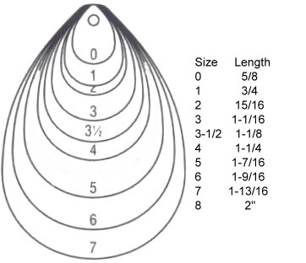
Summary
Table of Contents |  | Add Items |  | COLORADO BLADES - NICKEL PLATED STEEL | Category | Unit Price
Qty | Available | Size | Color
Qty | Available | Size | Color | COLORADO METAL BLADES - NICKEL PLATED STEEL (25) | Summary | Unit Price
 |  | 0 (1/2") | Nickel | Colorado Metal Blades - Nickel Plated Steel (25) |  | $2.69
 |  | 0 (1/2") | Hammered Nickel | Colorado Metal Blades - Nickel Plated Steel (25) |  | $2.69
 |  | 1 (5/8") | Nickel | Colorado Metal Blades - Nickel Plated Steel (25) |  | $3.09
 |  | 1 (5/8") | Hammered Nickel | Colorado Metal Blades - Nickel Plated Steel (25) |  | $3.09
 |  | 2 (3/4") | Nickel | Colorado Metal Blades - Nickel Plated Steel (25) |  | $3.59
 |  | 2 (3/4") | Hammered Nickel | Colorado Metal Blades - Nickel Plated Steel (25) |  | $3.59
...

Propeller Blades
Straight Line Sports
LURE AND SPINNER MAKING COMPONENTS
PROPELLER BLADES
CHECK THE PRODUCT SHEET LINK FOR LIST OF SIZES AND COLORS
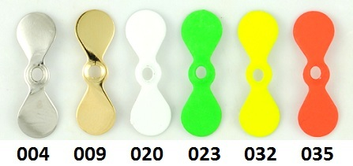
Summary
Table of Contents |  | Add Items |  | PROPELLER BLADES | Category | Unit Price
Qty | Available | Size | Color
 |  |  |  | Propeller Blade Chart
Qty | Available | Size | Color | Propeller Blades | Summary | Unit Price
0 |  | 0 (3/8") | N - Nickel | Propeller Blades (25) | Propeller Blades | $0.00
0 |  | 1 (3/4") | N - Nickel | Propeller Blades (25) |  | $0.00
0 |  | 2 (1") | N - Nickel | Propeller Blades (25) |  | $0.00
Qty | Available | Size | Color | Propeller Blades | Summary | Unit Price
0 |  | 0 (3/8") | N - Nickel | Propeller Blades (100) | Propeller Blades | $0.00
...

Willowleaf Blades
Straight Line Sports
LURE AND SPINNER MAKING COMPONENTS
WILLOWLEAF BLADES
CHECK THE PRODUCT SHEET LINK FOR LIST OF SIZES AND COLORS
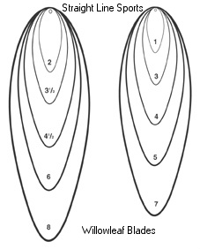
Summary
Table of Contents |  | Add Items |  | WILLOWLEAF METAL BLADES | Category | Unit Price
Qty | Available | Size | Color
Qty | Available | Size | Color | Willowleaf Blades - Brass Base | Summary | Unit Price
0 |  | 0 (9/16") | PB - Polished Brass | Willowleaf Blades - Brass Base(100) |  | $0.00
0 |  | 1 (3/4") | PB - Polished Brass | Willowleaf Blades - Brass Base(100) |  | $0.00
0 |  | 2 (1") | PB - Polished Brass | Willowleaf Blades - Brass Base(100) |  | $0.00
0 |  | 3 (1 1/4") | PB - Polished Brass | Willowleaf Blades - Brass Base(100) |  | $0.00
0 |  | 3 1/2 (1 11/16") | PB - Polished Brass | Willowleaf Blades - Brass Base(100) |  | $0.00
0 |  | 4 (1 7/8") | PB - Polished Brass | Willowleaf Blades - Brass Base(100) |  | $0.00
...

French Blades
Straight Line Sports
LURE AND SPINNER MAKING COMPONENTS
FRENCH BLADES
CHECK THE PRODUCT SHEET LINK FOR LIST OF SIZES AND COLORS
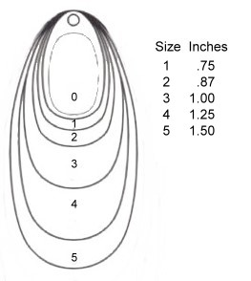
Summary
Table of Contents |  | Add Items |  | FRENCH METAL BLADES | Category | Unit Price
Qty | Available | Size | Color
 |  |  |  | French Metal Blades - Size Chart
Qty | Available | Size | Color | PB - Polished Brass and N - Nickel | Summary | Unit Price
 |  | 0 (11/16") | PB - Polished Brass | French Metal Blades pkg/10 | French Blades | $0.00
 |  | 1 (7/8") | PB - Polished Brass | French Metal Blades pkg/10 |  | $0.00
0 |  | 2 (1") | PB - Polished Brass | French Metal Blades pkg/10 |  | $0.00
 |  | 3 (1 1/4") | PB - Polished Brass | French Metal Blades pkg/10 |  | $0.00
 |  | 4 (1 1/2") | PB - Polished Brass | French Metal Blades pkg/10 |  | $0.00
...

Indianna Blades
Straight Line Sports
LURE AND SPINNER MAKING COMPONENTS
INDIANA BLADES
CHECK THE PRODUCT SHEET LINK FOR LIST OF SIZES AND COLORS
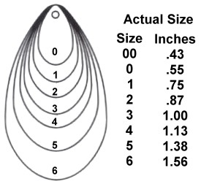 |  |  |  | 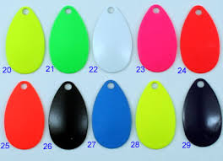
Summary
Table of Contents |  | Add Items |  | INDIANA METAL BLADES | Unit Price | Net
Qty | Available | Size | Color
 |  |  |  | Indiana Blades - Metal Quality
Qty | Available | Size | Color | INDIANA METAL BLADES | Unit Price | Net
0 |  | 1 (11/16") | PB - Polished Brass | Indiana Blades - Metal Quality (100) | $0.00 | $0.00
 |  | 1 (11/16") | HN - Hammered Nickel | Indiana Blades - Metal Quality (100) | $0.00 | $0.00
 |  | 1 (11/16") | N - Nickel Plated | Indiana Blades - Metal Quality (100) | $0.00 | $0.00
 |  | 1 (11/16") | HN - Hammered Nickel | Indiana Blades - Metal Quality (100) | $0.00 | $0.00
 |  | 1 (11/16") | PC - Polished Copper Lacquered | Indiana Blades - Metal Quality (100) | $0.00 | $0.00
...

Sonic In-line Blades
Straight Line Sports
LURE AND SPINNER MAKING COMPONENTS
SONIC IN-LINE BLADES
CHECK THE PRODUCT SHEET LINK FOR LIST OF SIZES AND COLORS
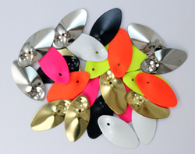
Summary
Table of Contents |  | Add Items |  | SONIC IN-LINE BLADES | Category | Unit Price
Qty | Available | Size | Color
 |  |  |  | Sonic In-Line Blade Chart
Qty | Available | Size | Color | Sonic In-Line Blades | Summary | Unit Price
0 |  | 1 (3/4") | PB - Polished Brass | Sonic In-Line Blades (10) | Sonic In-Line Blades | $0.00
 |  | 1 (3/4") | N - Nickel | Sonic In-Line Blades (10) |  | $0.00
0 |  | 2 (7/8") | PB - Polished Brass | Sonic In-Line Blades (10) |  | $0.00
 |  | 2 (7/8") | N - Nickel | Sonic In-Line Blades (10) |  | $0.00
 |  | 3 (1 ") | PB - Polished Brass | Sonic In-Line Blades (10) |  | $0.00
...

Spinner Bodies
Straight Line Sports
LURE AND SPINNER MAKING COMPONENTS
SPINNER BODIES
CHECK THE PRODUCT SHEET LINK FOR LIST OF SIZES AND COLORS
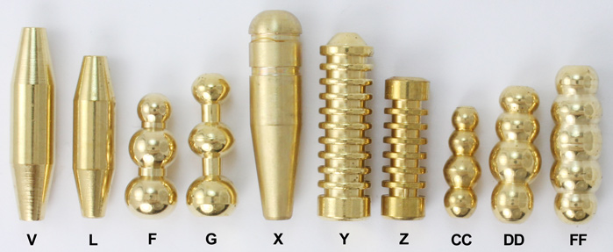
Summary
Table of Contents |  | Add Items |  |  | SPINNER BODIES | Category
Qty | Available | Size | Weight | Color
 |  |  |  |  | Brass Spinner Bodies
Qty | Available | Size | Weight | Color | Spinner Bodies | Summary
0 |  | A | 1/32 oz | Polished Brass | Spinner Body Style "A" (5) | Spinner Bodies
 |  | B | 3/64 oz | Polished Brass | Spinner Body Style "B" (5)
 |  | C | 0.06 oz | Polished Brass
 |  | D | 0.07 oz | Polished Brass
 |  | E | 1/8 oz | Polished Brass
...

